Sheet1
TRUE | DRAW DISTRIBUTION CLUSTER
TRUE | DRAW MDU BOUNDARIES
TRUE | ADD PFP CABINET
TRUE | ADD ALL UUBS WITH ADDRESSES | ALL HHS ARE 17X30 UNLESS OTHERWISE NOTED
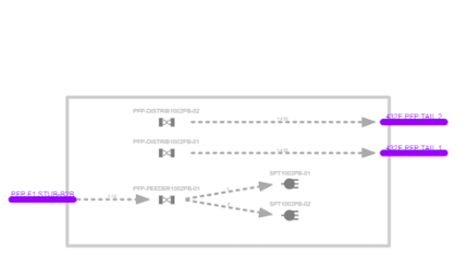
TRUE | ADD TPAD HH
TRUE | ADD ALL ROUTES
TRUE | ADD ALL 1.25" CONDUIT | 1.25" DROP CONDUIT
TRUE | ADD ALL 2" CONDUIT | 2.0" CONDUIT
TRUE | DRAW ALL FIBER CABLES | F1 CABLES: 72F FOR 864 AND 48F FOR ALL THE OTHERS
TRUE | SCREENSHOT BOM OF FIBER CABLES AND ADD TO SHAREPOINT
TRUE | DRAW PFP TAILS FROM PFP TO TPAD HH
TRUE | DRAW STUB FROM TPAD HH TP PFP
TRUE | ADD SPLITTERS
TRUE | ADD 2 DISTRIBUTION FIBER PANELS
TRUE | ADD 2 FEEDER FIBER PANELS
TRUE | CONNECT PFP STUB TAIL TO FEEDER FIBER PANEL IN
TRUE | CONNECT FEEDER FIBER PANEL OUT TO SPLITTERS IN
TRUE | CONNECT EACH DISTRIBUTION FIBER PANELS TO RESPECTIVE PFP TAILS
TRUE | ADD ALL SPLICE CLOSURES
TRUE | ADD ALL SLACK LOOPS TO FIBER CABLES
TRUE | ADD LOC TO EACH CABLE
TRUE | ASSOCIATE COILS TO MDU BOUNDARIES
TRUE | ADD TERMINALS
FALSE | ADD TERMINAL TAILS
FALSE | SPLICE TERMINAL IN TO TERMINAL TAILS OUT
FALSE | SPLICE F1 TO PFP STUB TAIL IN TPAD
FALSE | SPLICE ALL CABLES OUT TO IN
FALSE | ADD ALL DROP CLUSTERS
FALSE | PLACE DROPS USING MULTI-CONNECT TOOL
FALSE | ENSURE ALL CABLES ARE INSIDE OF RESPECTIVE CONDUITS
FALSE | RIPPLE 432 TAILS LOC THROUGHOUT DESIGN
FALSE | CHANGE MDU BOUNDARIES BUILD STATUS TO PLANNED AND ASSIGN GC CLASSIFICATION
FALSE | ADD CITY STATE AND ZIP TO ALL HH
FALSE | USE CHECK DESIGN TOOL
FALSE | ADD CLEAN CHECK DESIGN TO SHAREPOINT
FALSE | ADD BOM PDF TO SHARPOINT
FALSE | ADD FIBER TRACE FILE TO SHAREPOINT
FALSE | ADD ADDRESS LIST TO SHAREPOINT
FALSE | COMPARE ADDRESS LIST TO MOCK DIST ADDRESS FILE
FALSE | EMAIL DELIVERABLES TO MANAGER

